Sheet1
GDP - II | Updated Iteration Plan
Submission Date | 2017-02-15

Project Name | Traffic Modeling System
Team B | Ekathra
Client Name | Dr.Michael Oudshoorn
Workbreak Down Structure
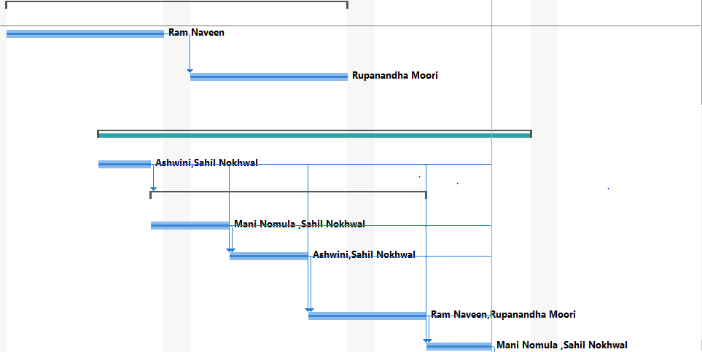
Task Mode | Task Name | Duration | Start | Finish | Predecessors | Resource Names | Status
Auto Scheduled | 1.0 Architecture Design | 20 days | Mon 1/9/17 | Fri 2/3/17 |  | Rupanandha Moori[0%],Ram Naveen[0%] | Complete
Auto Scheduled | 1.1 Application analysis & overview | 10 days | Mon 1/9/17 | Fri 1/20/17 |  | Ram Naveen | Complete
Auto Scheduled | 1.2 Architecture and implementation objectives | 10 days | Mon 1/23/17 | Fri 2/3/17 | 2 | Rupanandha Moori | Complete
Manually Scheduled | 2.0 Car generation development | 25 days | Mon 1/16/17 | Fri 2/17/17 |  | Mani Nomula [0%] | On Schedule
Auto Scheduled | 2.1 Default values loading | 4 days | Mon 1/16/17 | Thu 1/19/17 |  | Ashwini,Sahil Nokhwal | Complete
Auto Scheduled | 2.2 Car Properties | 15 days | Fri 1/20/17 | Thu 2/9/17 | 5 |  | Complete
Auto Scheduled | 2.2.1 Car Speeding | 4 days | Fri 1/20/17 | Wed 1/25/17 |  | Mani Nomula ,Sahil Nokhwal | Complete
Auto Scheduled | 2.2.2 Acceleration and deceleration | 4 days | Thu 1/26/17 | Tue 1/31/17 | 5,7 | Ashwini,Sahil Nokhwal | Complete
Auto Scheduled | 2.2.3 Direction Selection | 7 days | Wed 2/1/17 | Thu 2/9/17 | 5,7,8 | Ram Naveen,Rupanandha Moori | Complete
Auto Scheduled | 2.3 Integration of Car Generator | 3 days | Fri 2/10/17 | Tue 2/14/17 | 5,9,7,8 | Mani Nomula ,Sahil Nokhwal | Complete
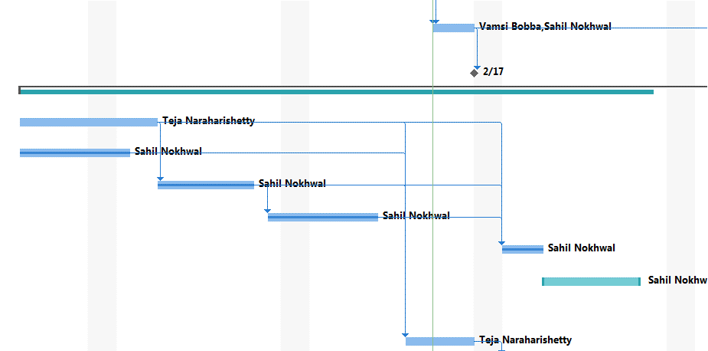
Auto Scheduled | 2.4 Integration and unit,module testing | 3 days | Wed 2/15/17 | Fri 2/17/17 | 10,5,7,8,9 | Vamsi Bobba,Sahil Nokhwal | On Schedule
Auto Scheduled | 2.5 Milestone 1 | 0 days | Fri 2/17/17 | Fri 2/17/17 | 11 |  | Future Task
Manually Scheduled | 3.0 Roads & roads integration | 42 days | Mon 1/16/17 | Tue 3/14/17 |  | Sahil Nokhwal[80%],Teja Naraharishetty[0%] | Late
Auto Scheduled | 3.1 Drag & Drop functionality | 8 days | Mon 1/16/17 | Wed 1/25/17 |  | Teja Naraharishetty | Late
Auto Scheduled | 3.2 Roundabouts Generation | 6 days | Mon 1/16/17 | Mon 1/23/17 |  | Sahil Nokhwal | Complete
Auto Scheduled | 3.3-2 way Stop Sign Generation | 5 days | Thu 1/26/17 | Wed 2/1/17 | 14 | Sahil Nokhwal | Complete
Auto Scheduled | 3.4 4-Stop Sign Road Generation | 6 days | Fri 2/3/17 | Fri 2/10/17 | 16 | Sahil Nokhwal | Complete
Auto Scheduled | 3.5 T Junction Generation | 3 days | Mon 2/20/17 | Wed 2/22/17 | 16,14,17 | Sahil Nokhwal | Complete
Manually Scheduled | 3.6 Popup menu for inputting traffic percentages | 5 days | Thu 2/23/17 | Wed 3/1/17 |  | Sahil Nokhwal | Future Task
Auto Scheduled | 3.6 Integration | 5 days | Mon 2/13/17 | Fri 2/17/17 | 14,17,15,16 | Teja Naraharishetty | Late
Auto Scheduled | 3.7 Unit and module testing | 9 days | Mon 2/20/17 | Thu 3/2/17 | 20 | Ashwini,Rupanandha Moori | Future Task
Auto Scheduled | 3.8 Milestone 1 | 0 days | Thu 3/2/17 | Thu 3/2/17 | 21 |  | Future Task
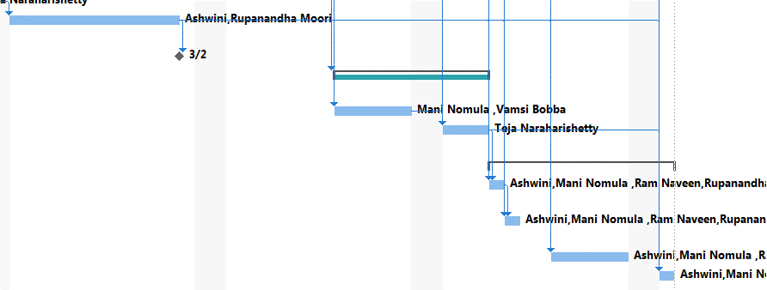
Manually Scheduled | 4.0 Car Garbage Selection | 8 days | Mon 3/13/17 | Wed 3/22/17 | 11 |  | Future Task
Auto Scheduled | 4.1 Development | 5 days | Mon 3/13/17 | Fri 3/17/17 | 11 | Mani Nomula ,Vamsi Bobba | Future Task
Auto Scheduled | 4.2 Unit and module testing | 3 days | Mon 3/20/17 | Wed 3/22/17 | 24,11 | Teja Naraharishetty | Future Task
Auto Scheduled | 5.0 User testing | 8 days | Thu 3/23/17 | Mon 4/3/17 |  |  | Future Task
Auto Scheduled | 5.1 Client presentation | 1 day | Thu 3/23/17 | Thu 3/23/17 | 11,25,21 | Ashwini,Mani Nomula ,Ram Naveen,Rupanandha Moori,Sahil Nokhwal,Teja Naraharishetty,Vamsi Bobba | Future Task
Auto Scheduled | 5.2 Feedback collection | 1 day | Fri 3/24/17 | Fri 3/24/17 | 11,25,21,27 | Ashwini,Mani Nomula ,Ram Naveen,Rupanandha Moori,Sahil Nokhwal,Teja Naraharishetty,Vamsi Bobba | Future Task
Auto Scheduled | 5.3 Improvements | 5 days | Mon 3/27/17 | Fri 3/31/17 | 11,25,21 | Ashwini,Mani Nomula ,Ram Naveen,Rupanandha Moori,Sahil Nokhwal,Teja Naraharishetty,Vamsi Bobba | Future Task
Auto Scheduled | 5.4 submission | 1 day | Mon 4/3/17 | Mon 4/3/17 | 11,25,21 | Ashwini,Mani Nomula ,Ram Naveen,Rupanandha Moori,Sahil Nokhwal,Teja Naraharishetty,Vamsi Bobba | Future Task

